Tabelle1
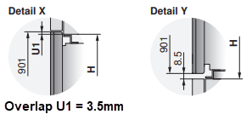
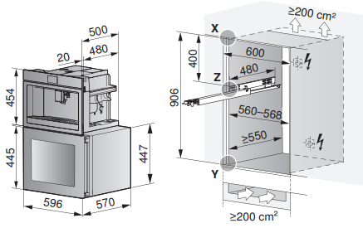
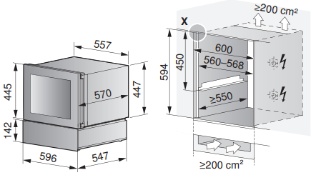
Niche height calculation for Winecooler 45 or 90
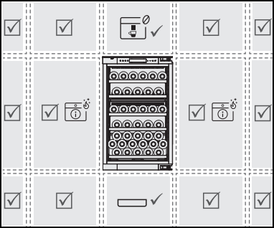
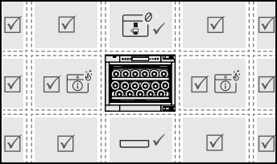
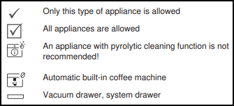
Appliances selection: | Appliance height-group | # of appliances and WineCooler type | Overview: Possible combination with WC45

CoffeeCenter (always on top) | 45cm
WineCooler 45 or 90 | 45 cm / 90cm | WC45
Vakuum drawer (always at the bottom) | 14cm
System drawer (always at the bottom) | 14cm

Height of niche |  | 450
Amount of mounting angle |  | 0

It is essential to observe the ventilation requirements specified in the planning aid. |  |  | Overview: Possible combinations with WC90

