Cut-out GK and DSMS
FLUSH - MOUNTED COMBINATION Cut-out for combined appliance installation Induction hobs or Induction hobs with DSMS for models from 2024 (specified dimensions in mm) For further information, see the corresponding planning aid (Chapter Combined hob installation) Appliance not listed may not be combined (for example Panorama hobs)

Size | Selection of Induction hobs | Number of appliances | Version flush-mounted combination
30 | CookTop V4000 I302 (31143), CookTop V2000 I302 (31160), GAS311GKBZ (31073), GAS321GKBZ (31074)
40 | CookTop Teppan Yaki I40 (31140
 | CookTop V4000 I402 (31144) |  | Cut-out width E in mm = | 1461
 | GAS411GSAZ/GSBZ (31063), GAS421GSAZ/GSBZ (31064)
60 | CookTop V4000 I604 (31115) |  | Cut-out depth F in mm = | 507
 | CookTop V4000 I604 (31157)
 | CookTop V2000 I604 (31159) |  | Cut-out width C in mm = | 1444
 | GAS641GSAZ/GSBZ (31071)
 |  |  | Cut-out depth D in mm = | 490
70 | CookTop V4000 I704 (31116)
 | CookTop V6000 I705 FullFlex (31132)
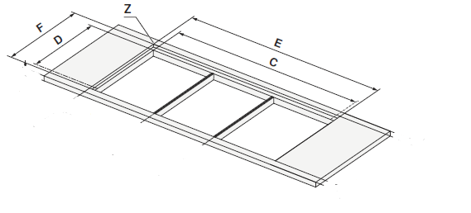
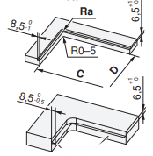
 | GAS731GKBZ (31075) | 1 | Examples from planning aid

80 | CookTop V2000 I804 (31146) | 1
 | CookTop V4000 I804 (31158)

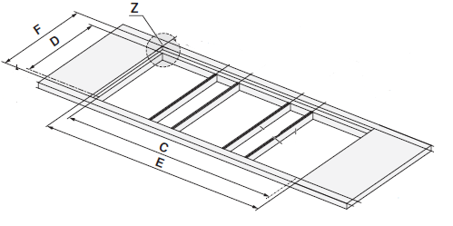
90 | CookTop V6000 I905 (31114), CookTop V6000 I906 (31134)
 | CookTop V6000 A905 (31155)
 | GAS951GSAZ/GSBZ (31072)

 | Selection of DSMS
DSMS | DESIGN HOB EXTRACTOR DSMS (64005)

