Ausschnitt GK und DSMS
SURFACE-MOUNTED COMBINATION The surface-mounted hob combination is currently only possible for electric hobs (up to max. hob size 40), gas hobs and hob hoods. Valid for current models from 2024 (specified dimensions in mm). For further information, see the corresponding planning aid (Chapter Combined hob installation ) Appliance not listed may not be combined (for example Panorama hobs)

Size | Selection of Induction hobs | Summe | Number of appliances | Version surface-mounted combination
30 | CookTop V4000 I302 (31143), CookTop V2000 I302 (31160), GAS311 GKBZ (31073), GAS321 GKBZ (31074) | 0
40 | CookTop Teppan Yaki I40 (31140), CookTop V4000 I402 (31144) | 0 |  | Cut-out width C in mm = | 0
 | GAS411GSAZ/GSBZ (31063), GAS421GSAZ/GSBZ (31064) | 0
60 | GAS641GSAZ/GSBZ (31071) | 0 |  | Cut-out depth D in mm = | 0
 |  | 0 |  | Examples from planning aid: with and without DSMS
70 | GAS731GKBZ (31075) | 0
90 | GAS951GSAZ/GSBZ (31072) | 0 |  | Examples from planning aid: with and without DSMS
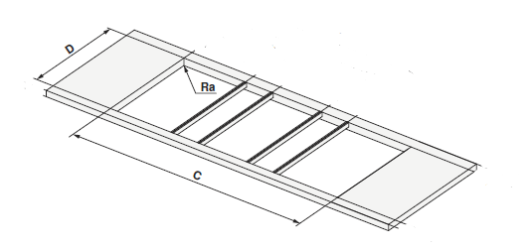
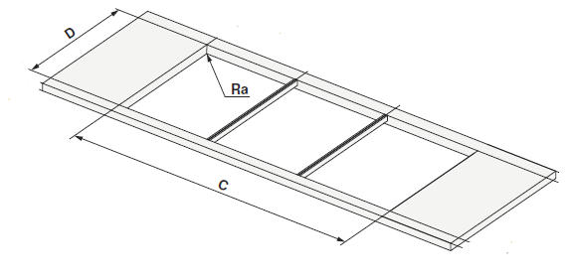
 | Selection of DSMS
DSMS | DESIGN HOB EXTRACTOR DSMS (64005) | 0

 |  | 0

