Niche height Oven
Calculation for oven, niche-height

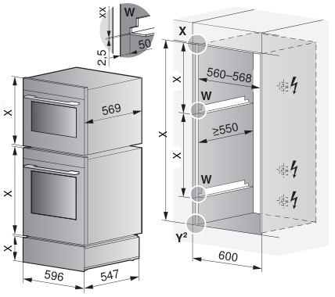
Appliances selection: | Winkelset | Appliance height-group | Nischenhöhe bei Solo-Einbau (ohne 4mm Überlappung) | # of appliances in niche
Oven / Steamer | x | 60 cm | 600
Oven / Steamer/ CombiMiwell | x | 45 cm | 456
Coffee-Center (installed in top position) |  | 45 cm | 456
Oven / Steamer/ CombiMiwell | x | 38 cm | 380
Coffee-Center (CH only, installed in top position) |  | 38 cm | 380
Miwell V600 | x | 38 cm | 380
Warming drawer | x | 31 cm | 312
Warming drawer | x | 28 cm | 283
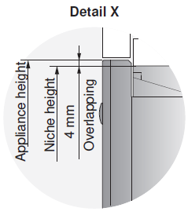
Warming drawer | x | 22 cm | 220
Warming drawer | x | 16 cm | 162
Warming- / System- and Vacuum- Drawer | x | 14 cm | 144
System drawer (CH only) | x | 7.5 cm | 76
Einmalige 4 mm Überlappung |  |  | 6 | 0
Height of niche |  |  | 0 | 0
Amount of mounting angle |  |  | 0 | 0

Coffe-Center is not installed in the top position: + 1 mounting angle

