Design integrated
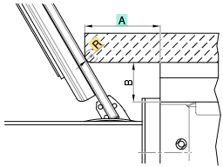
 |  | R [mm]
 |  | 0 | 2 | 4 | 6 | 8 | 10
A [mm] | 36 | 5.528 | 4.064 | 2.600 | 1.136 | -0.328 | -1.793
 | 38 | 8.992 | 7.528 | 6.064 | 4.600 | 3.136 | 1.672
 | 40 | 12.456 | 10.992 | 9.528 | 8.064 | 6.600 | 5.136
 | 42 | 15.920 | 14.456 | 12.992 | 11.528 | 10.064 | 8.600
 | 44 | 19.384 | 17.920 | 16.456 | 14.992 | 13.528 | 12.064
 | 46 | 22.848 | 21.384 | 19.920 | 18.456 | 16.992 | 15.528
 | 48 | 26.313 | 24.848 | 23.384 | 21.920 | 20.456 | 18.992
 | 50 | 29.777 | 28.313 | 26.848 | 25.384 | 23.920 | 22.456
 | 52 | 33.241 | 31.777 | 30.313 | 28.848 | 27.384 | 25.920
 | 54 | 36.705 | 35.241 | 33.777 | 32.313 | 30.848 | 29.384
 | 56 | 40.169 | 38.705 | 37.241 | 35.777 | 34.313 | 32.848
 | 58 | 43.633 | 42.169 | 40.705 | 39.241 | 37.777 | 36.313
 | 60 | 47.097 | 45.633 | 44.169 | 42.705 | 41.241 | 39.777

A
R

B |  | ERROR

Fully integrated
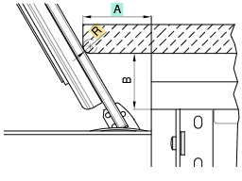
 |  | R [mm]
 |  | 0 | 2 | 4 | 6 | 8 | 10
A [mm] | 24 | 7.850 | 6.386 | 4.922 | 3.458 | 1.994 | 0.530
 | 26 | 11.314 | 9.850 | 8.386 | 6.922 | 5.458 | 3.994
 | 28 | 14.778 | 13.314 | 11.850 | 10.386 | 8.922 | 7.458
 | 30 | 18.243 | 16.778 | 15.314 | 13.850 | 12.386 | 10.922
 | 32 | 21.707 | 20.243 | 18.778 | 17.314 | 15.850 | 14.386
 | 34 | 25.171 | 23.707 | 22.243 | 20.778 | 19.314 | 17.850
 | 36 | 28.635 | 27.171 | 25.707 | 24.243 | 22.778 | 21.314
 | 38 | 32.099 | 30.635 | 29.171 | 27.707 | 26.243 | 24.778
 | 40 | 35.563 | 34.099 | 32.635 | 31.171 | 29.707 | 28.243
 | 42 | 39.027 | 37.563 | 36.099 | 34.635 | 33.171 | 31.707
 | 44 | 42.491 | 41.027 | 39.563 | 38.099 | 36.635 | 35.171
 | 46 | 45.955 | 44.491 | 43.027 | 41.563 | 40.099 | 38.635
 | 52 | 56.348 | 54.884 | 53.419 | 51.955 | 50.491 | 49.027

A
R

B |  | ERROR

